Overview
Overview for Request to16_cap_mpl1r_wp012/wp028_nsdp_v01, Report 1 of 4

 | Request ID: to16_cap_mpl1r_wp012_nsdp_v01, to16_cap_mpl1r_wp028_nsdp_v01. This is Report 1 of 4.
 | Query Description: An examination of anticoagulant use among patients with atrial fibrillation (AF) using Modular Program 6 (MP6) version 7.1. AF patients were stratified by scores depending on the presence of various inclusion criteria (i.e., congestive heart failure, age, diabetes, hypertension, and/or stroke).
 | Data Source: Data between January 1st, 2006 and June 30th, 2014 from three health plans contributing to the Mini-Sentinel Distributed Database. Cohort of Interest: Persons with prevalent atrial fibrillation (AF), defined by an International Classification of Diseases, Ninth Revision, Clinical Modification (ICD-9-CM) Diagnosis code of either 427.31 or 427.32. The first diagnosis between January 1, 2006 and June 30, 2014, for each person was identified. Exclusion Criteria: Those with mechanical prosthetic valve or life-threatening bleeding defined by ICD-9-CM diagnosis codes in any position during an encounter in any care setting were excluded from the cohort. Inclusion Criteria: Those included in the cohort were required to be continuously enrolled with both medical and drug coverage for at least 6 months (183 days) before the AF diagnosis. Post-diagnosis Follow-up: Follow-up began on the day of the AF diagnosis for each patient and continued until the end of enrollment or the end of the query period. Post-diagnosis Exposure: Anticoagulant treatment, which included the oral formulations of apixaban, dabigatran, rivaroxaban, and warfarin, defined using National Drug Codes (NDCs). All prevalent anticoagulant exposures were considered. Length of treatment episodes was defined by using the number of days supplied for each dispensing, and dispensings with less than a gap of 30 days were bridged together.
 | Additional Notes: CHADS2 and CHA2DS2-VASc scores are typically used to estimate risk of stroke among patients with atrial fibrillation. In this analysis, AF patients were stratified by a number of risk factors to approximate CHADS2 scores. These risk factors could occur at any time during each AF patient’s enrollment until the end of the query period. Please note that these are estimated risk scores, as age and sex were not considered as they are with CHADS2 scores. The table below shows a summary of how scores were assigned. To approximate the number of AF patients with an estimated risk score of 1, the number of patients with an estimated risk score of greater than 1 was subtracted from the number of patients with an estimated risk score greater than 0. To approximate the number of patients with an estimated risk score of 2, the number of patients with an estimated risk score of greater than 2 was subtracted from the number of patients with an estimated risk score greater than 1.
 | Please refer to Appendix A for detailed specifications.
 | 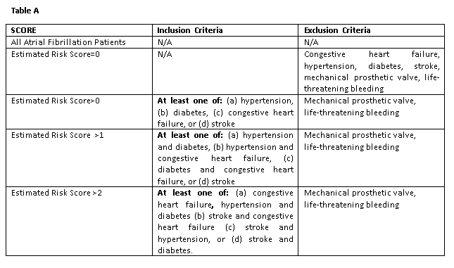
 | Notes: Please contact the Mini-Sentinel Operations Center Query Fulfillment Team (production@mini-sentinel.org) for questions and to provide comments/suggestions for future enhancements to this document.

